START HERE - INSTRUCTIONS
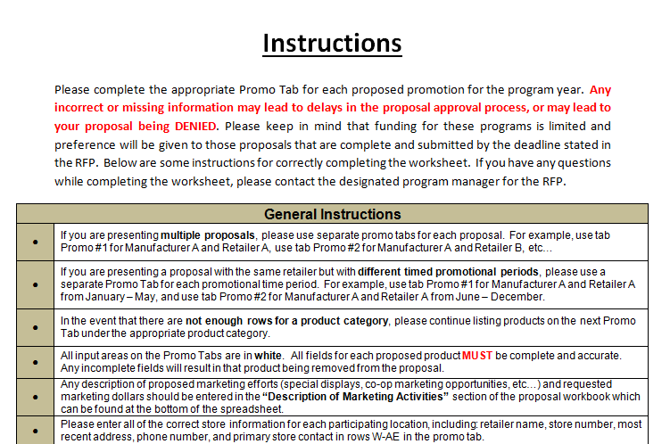

Filling out Promo # x sheet
• | Adding Products on Promo Sheet
• | Any products found on the Energy Star Certified Light Bulbs QPL should be entered in rows 9 to 101
• | Any products found on the Energy Star Certified Light Fixtures QPL should be entered in rows 106 - 177
• | Columns B - D is product information needed that is not found on the Energy Star QPL
• | Columns E - AO is exact copy of columns included in the Energy Star QPL. The labels vary based on whether product is a bulb or a fixture to match the EnergY Star QPL. Data from Energy Star QPL can be copied and pasted.
• | Columns AP - AY is pricing and forecast data that needs to be provided by manufacturer/retailer partner
• | Please ensure that columns line up after copying and pasting Energy Star QPL data

Filling out Promo x Stores sheet
• | Enter the retail stores associated with the corresponding promotion in the promo # x sheet

