Annual Capacity - Graph
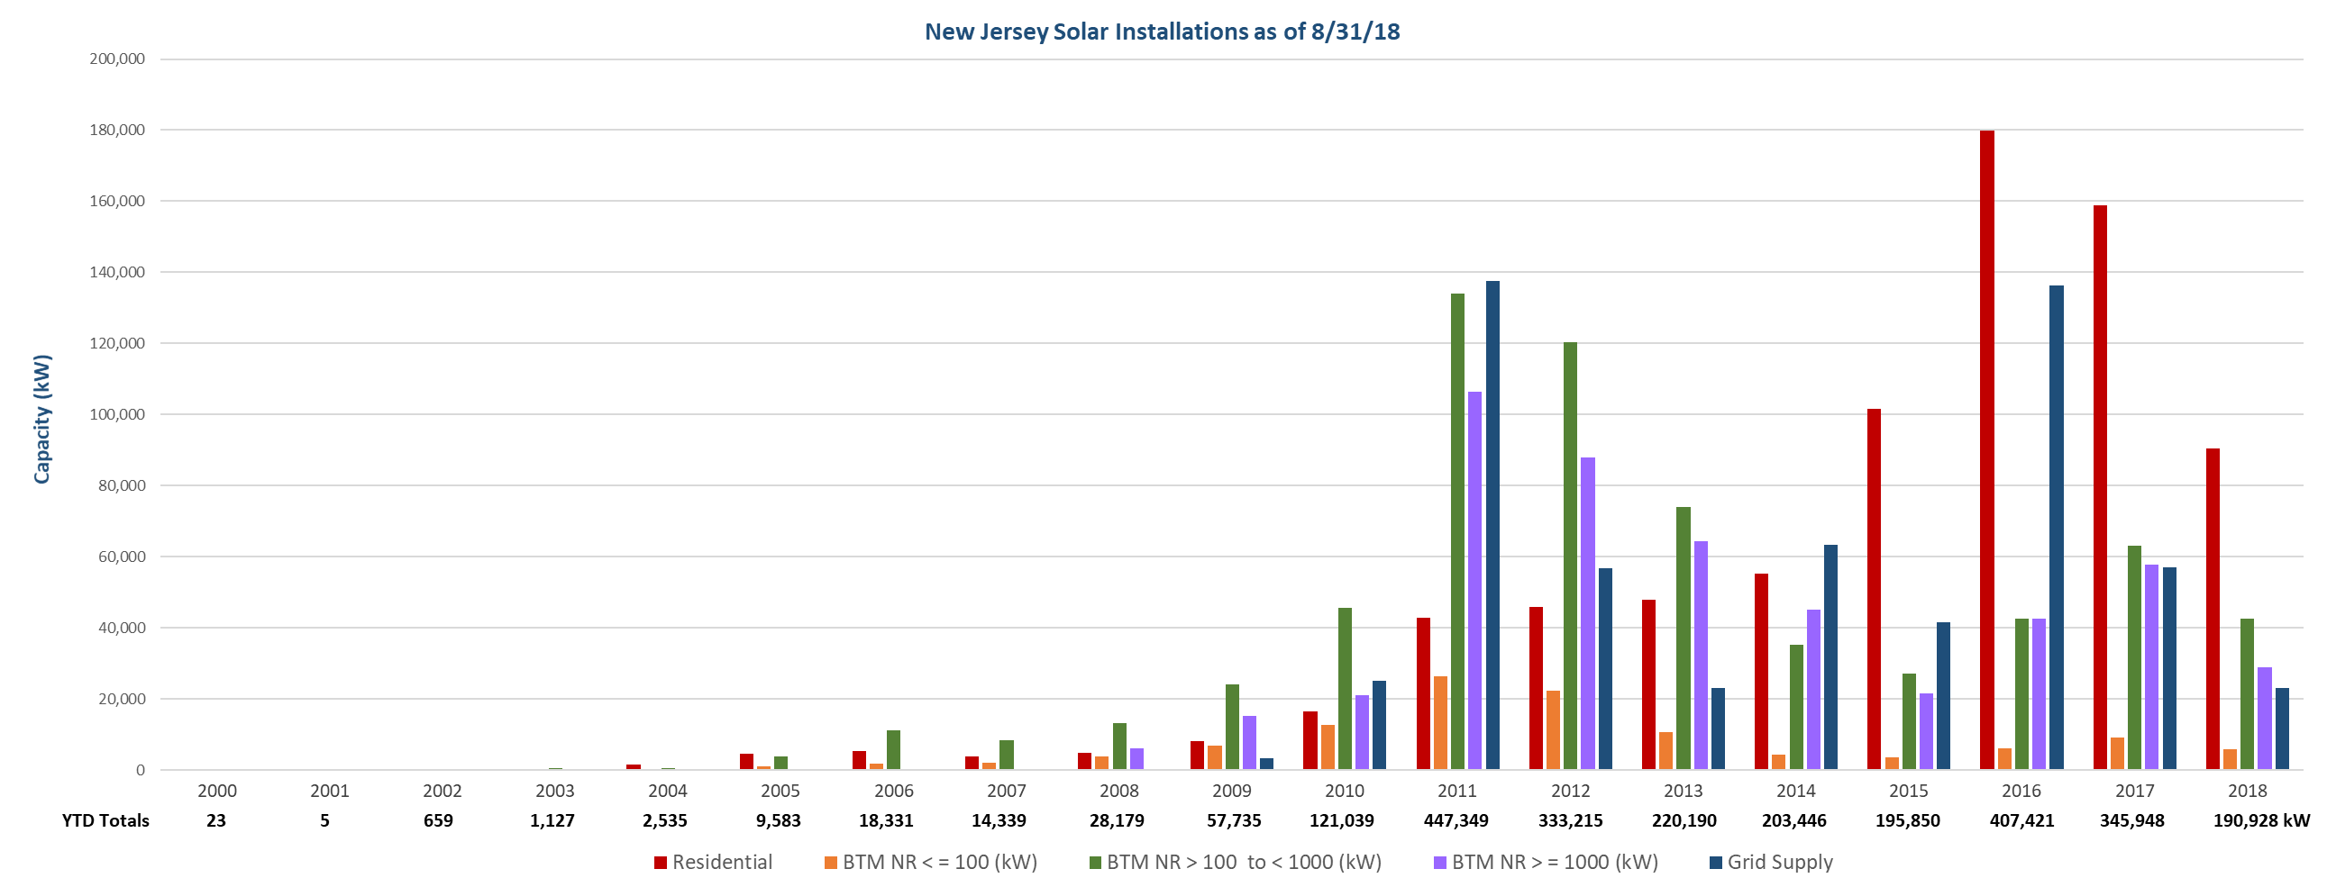

YTD

by County - Graph


