Annual Capacity - Graph
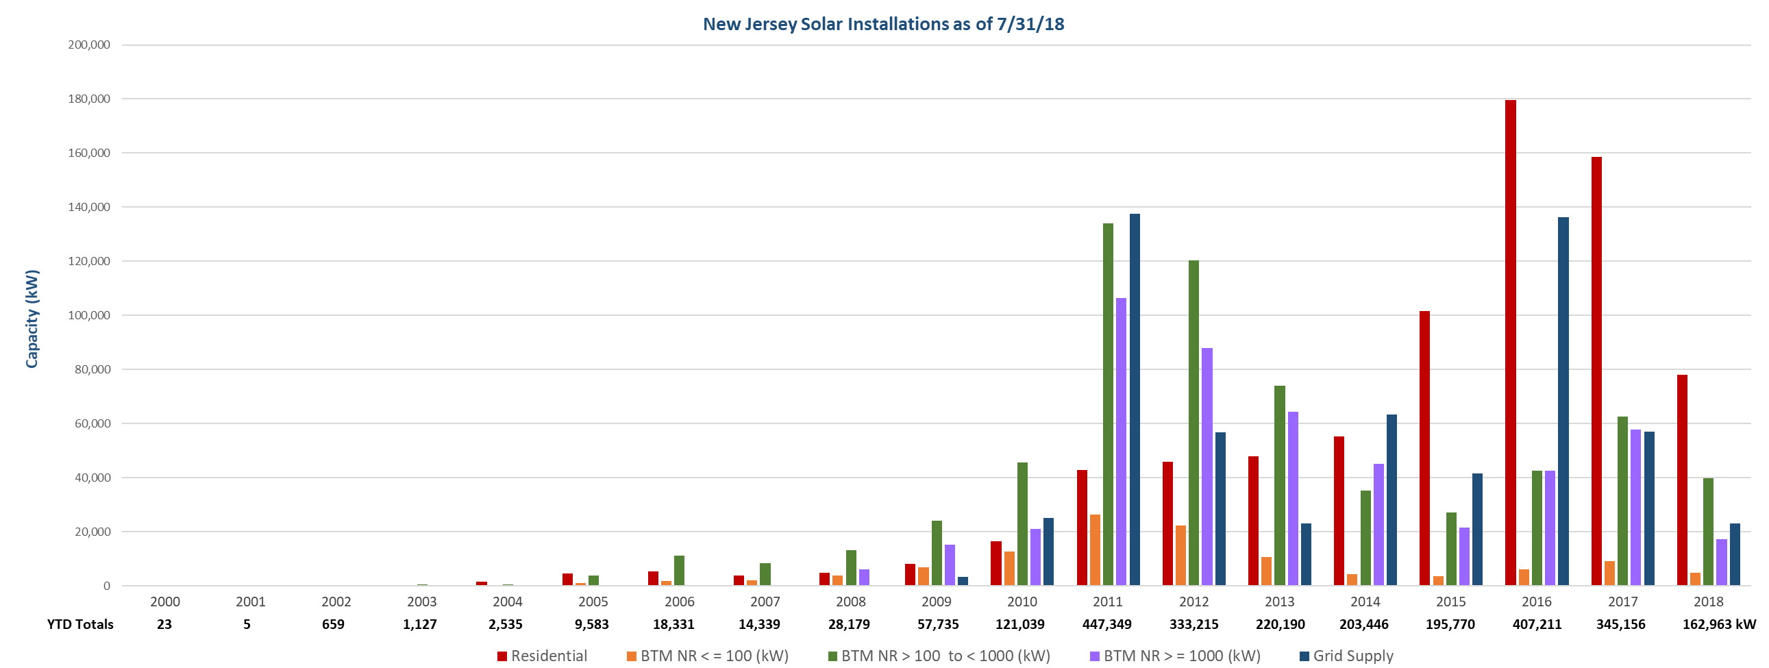

by County - Graph


